Struik
 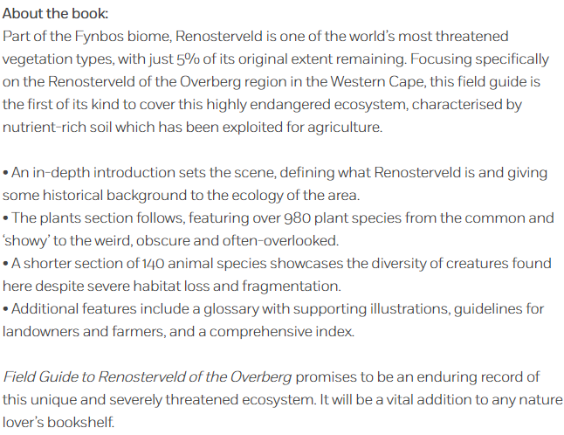
PENGUIN RANDOM HOUSE
STRUIK NATURE CLUB MEMBERS GET 30% OFF + FREE DELIVERY
FIELD GUIDE TO RENOSTERVELD OF THE OVERBERG
PRE-ORDER NOW FOR AUGUST RELEASE
PROMOTION ENDS 07 AUGUST 2020
NAME
CONTACT NUMBER
PHYSICAL DELIVERY ADDRESS
Please note: Deliveries only made to physical addresses, not P.O. Box
Enter QTY | ISBN | TITLE | AUTHOR | Normal Price | Promo Price | Subtotal
0 | 9781775845805 | Field Guide: Renosterveld of the Overberg | Curtis-Scott, Odette | R420.00 | R294.00 | R0.00
Email your orders to: snicolas@penguinrandomhouse.co.za |  |  | NB: PRICES INCLUDE VAT AT 15% |  | TOTAL: | R0.00

